Sheet1
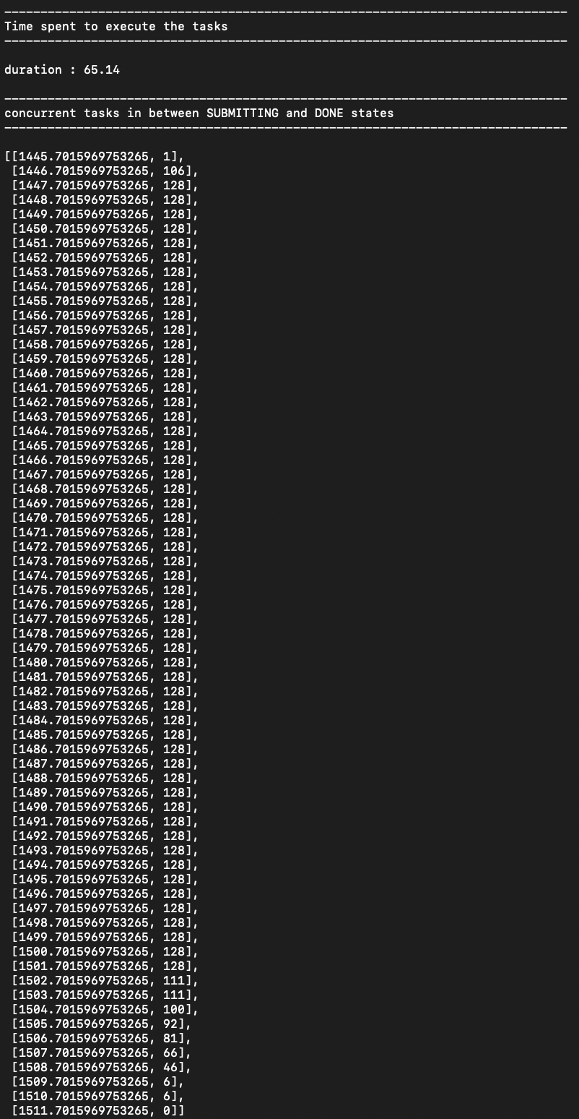
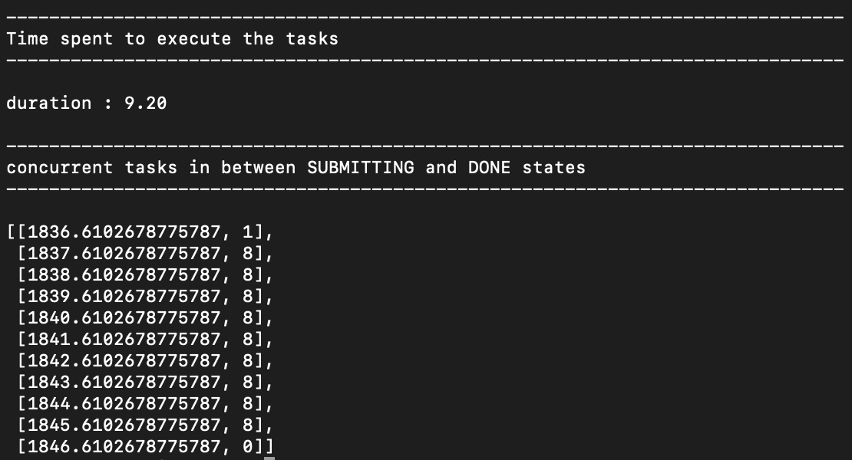
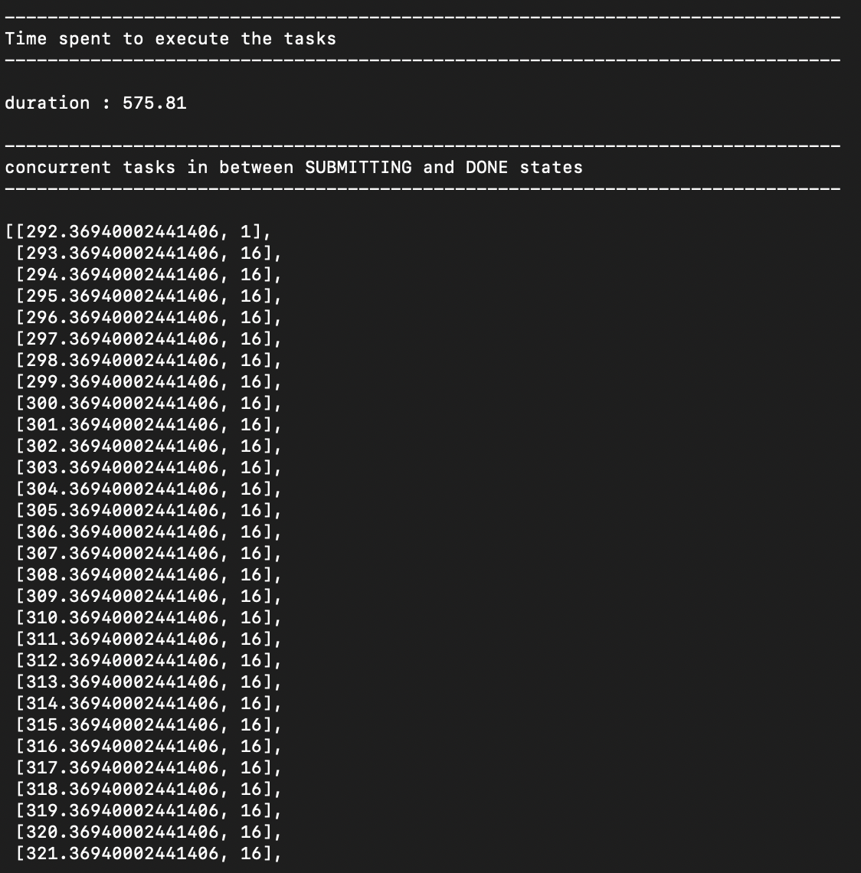
 |  | TTC = TTQ + TTX + E |  | where E is overhead from EnTK
 |  | TTC = TTX + E |  | if ran on localhost

Localhost

1) 128 tasks concurrently, where each task is 1 core

 | script: 1.py |  | executable: doNothing.py

 | time.sleep [s] | TTX + E [s]
 | 0 | 10.99
 | 1 | 11.97
 | 2 | 12.55
 | 3 | 13.97
 | 4 | 14.99
 | 5 | 15.32
 | 6 | 16.01
 | 7 | 17.03
 | 8 | 18.97
 | 9 | 20.01

xsede.bridges

1) 128 tasks concurrently, where each task is 1 core

 | script: 1.py |  | executable: SerialCode.py |  | TTX + E (s): 65.14 | cores: 128 |  | Exercises | TTX + E [s]
 |  |  |  |  |  |  |  | 1 | 65.14
2) 8 tasks where each task is 16 cores |  |  |  |  |  |  |  | 2 | 9.2
 |  |  |  |  |  |  |  | 3 | 575.81
 | script: 2.py |  | executable: MultiprocessingCode.py |  | TTX + E (s): 9.20 | cores:128

3) 16 concurrent batches of 8 tasks (each of 1 core), but where in each batch each task runs sequentially

 | script: 3.py |  | executable: SerialCode.py |  | TTX + E (s): 575.81 | cores: 16

 |  | 1) |  |  |  |  | 2) |  |  | 3)

